Company Introduction
FM Project Report – Mphasis Ltd. | Analysis

 |  | FINANCIAL TRENDS
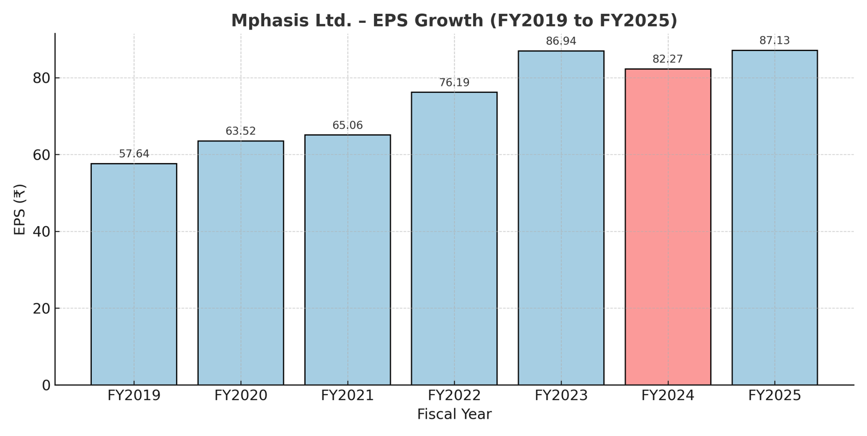

About: Mphasis is a leading global information technology solutions provider, specializing in cloud and cognitive services. Leveraging advanced technologies, deep domain expertise, and an agile approach, Mphasis delivers innovative solutions across industries such as banking, financial services, insurance, and logistics. With a strong focus on customer-centricity and next-gen digital transformation, Mphasis helps enterprises accelerate business outcomes and stay ahead in a competitive landscape.

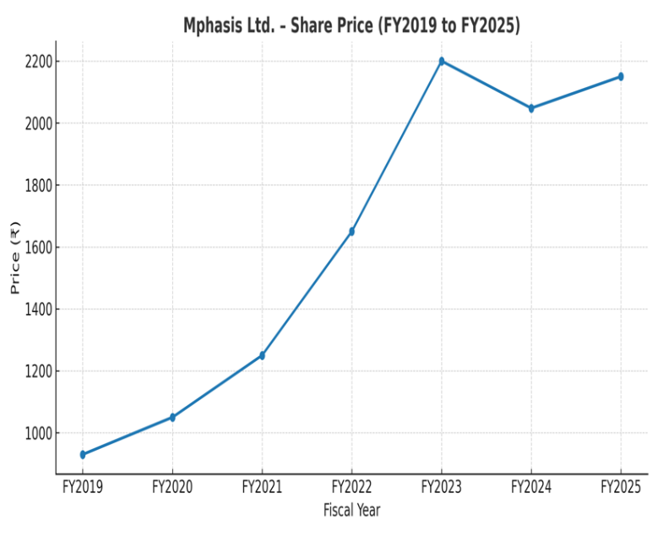
Key Financial Metrics (FY 2019–20)
Total Revenue: ₹4,347 crore
Net Profit: ₹1,205 crore
Return on Equity (ROE): 32.77%
Return on Capital Employed (ROCE): 33.78%
Net Profit Margin: 27.72%
Debt-to-Equity Ratio: 0.23
Dividend Payout Ratio: 37.03%
* Based on Standalone Statements
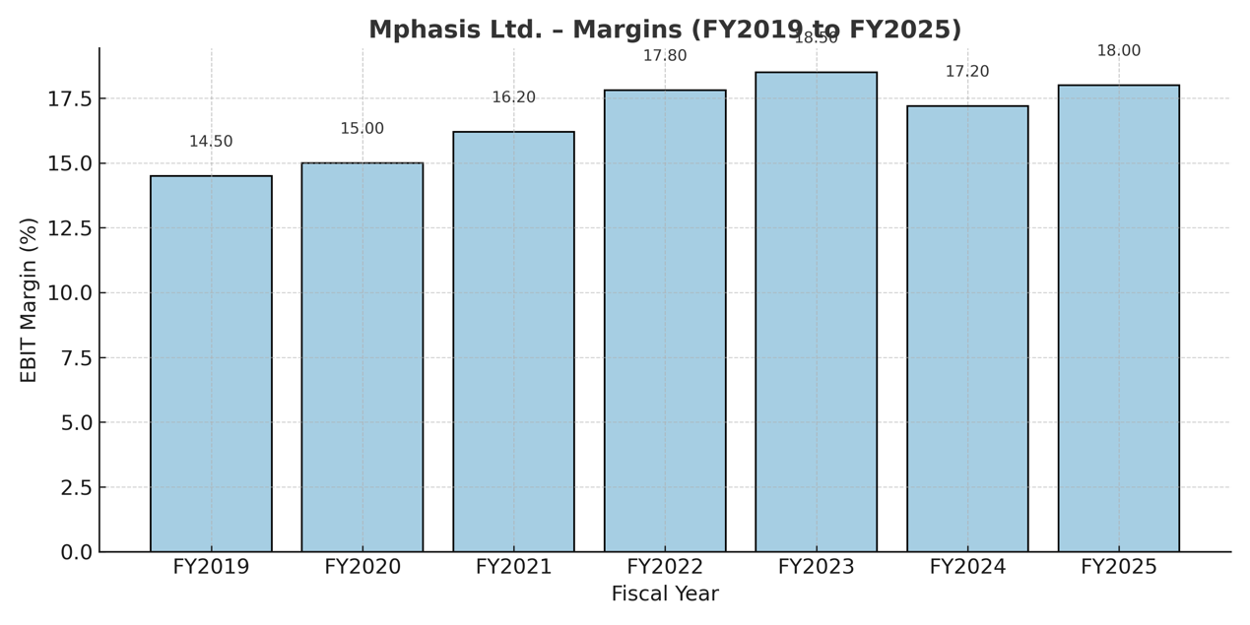

Key Insight – Mphasis Ltd. (FY2019–FY2025) - Mphasis has demonstrated steady EPS growth, with a CAGR of 7.2% over FY2019–2025, reflecting strong operational performance. - Despite a minor dip in FY2024, margins have remained resilient, highlighting cost efficiency and pricing power.
- Mphasis’s financial stability and controlled debt (near zero debt-equity ratio) position it well for future expansion, especially in cloud and digital transformation verticals
Founded: 1998
Headquarters: Bangalore, India
CEO: Nitin Rakesh
Industry: Information Technology Services
Global Presence: Operations in over 21 countries
Employees: Approximately 33,771 (as of September 2023)
Ownership: Blackstone Group holds a significant stake
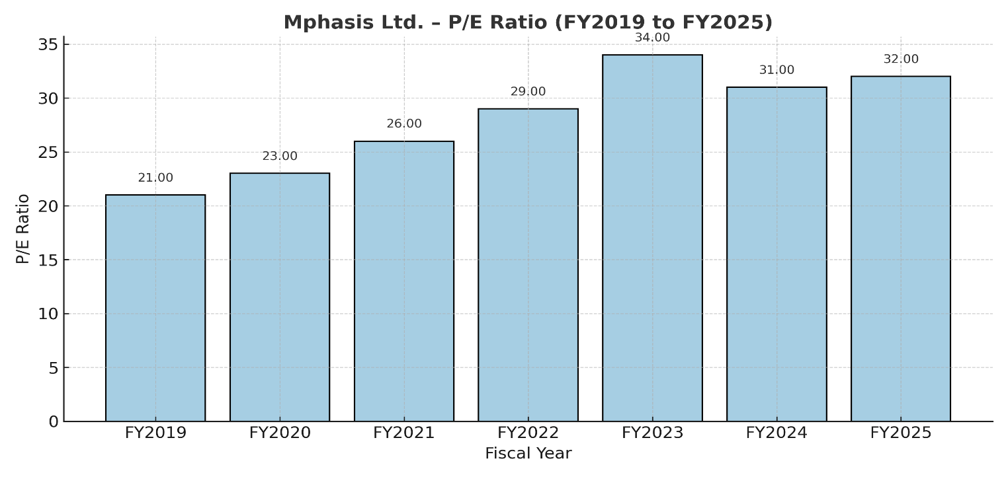

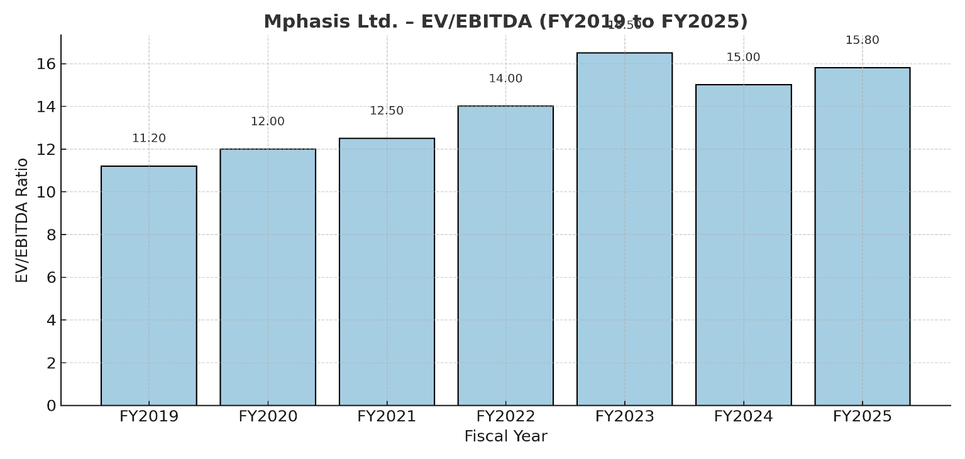

 | Company: Mphasis Ltd. Sector: Information Technology Submitted to: Prof. Dhara vohra Submitted by: Devansh Wadhwani Division: SYBBA I Roll No.: I059 Group No.: 1

Supporting Document 1
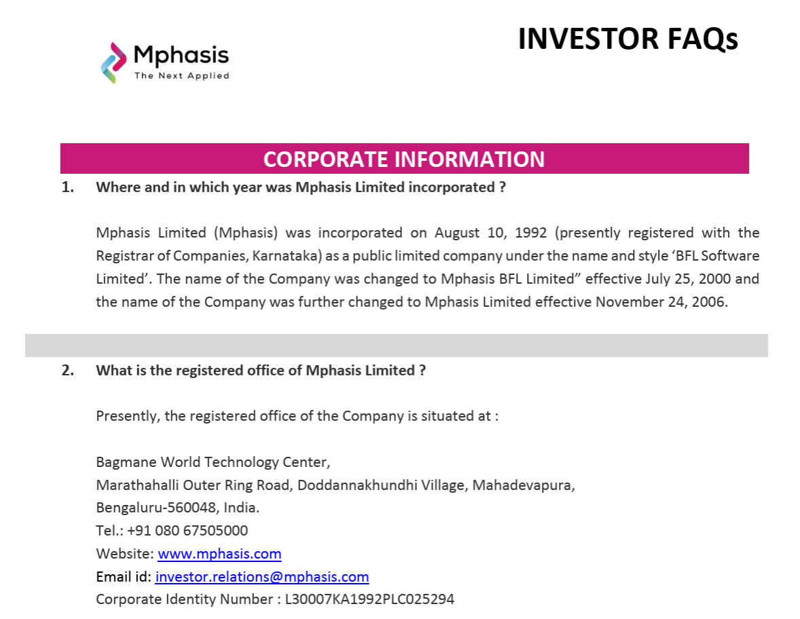

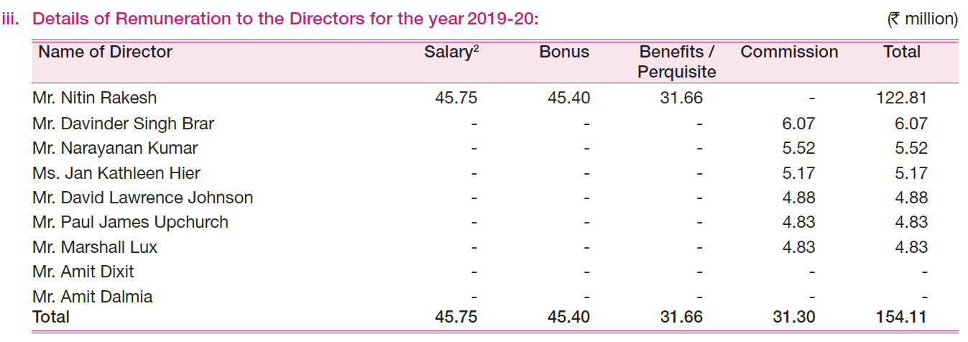
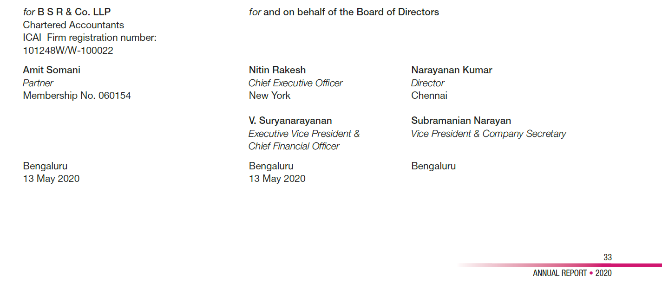

Supporting Document 2
Interest Expense = Rs. 63.43 Crore
Tax Rate = 30%
Tax Saved = Rs. 63.43 x (1-0.3) = Rs. 44.1301 Crore
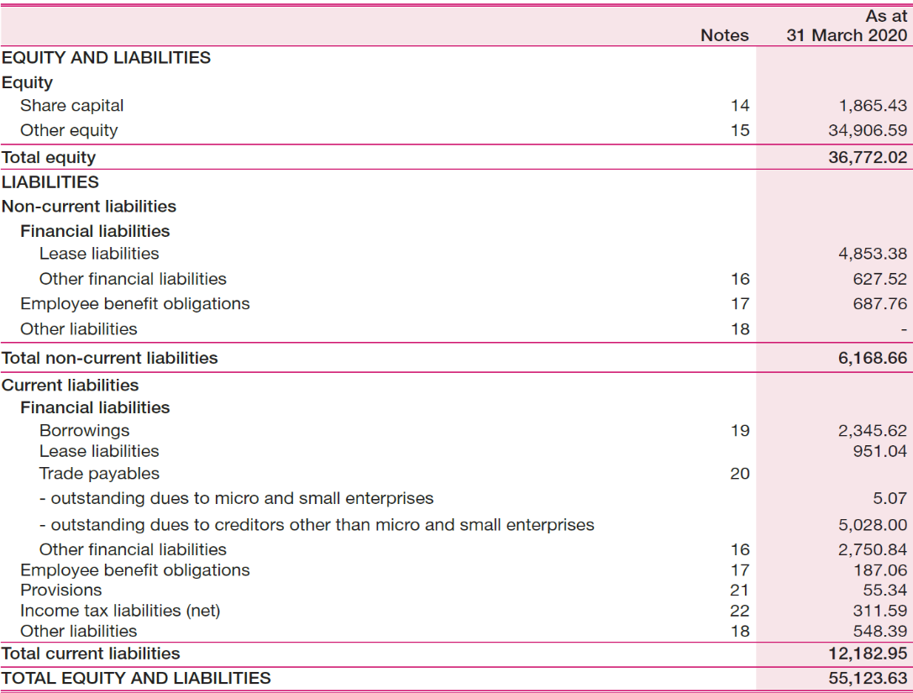

 |  | Market Price/Share in 2019 (Open) = Rs. 997.25
 |  | Market Price/Share in 2020 (Close) = Rs. 664.45
$CAGR=(\frac{\sqrt{664.45}}{\sqrt{997.25}}$ - 1) X 100

$$CAGR=−18.37\%$$

Total Interest-bearing Debt = Lease Liabilities (Current & Non-Current) +
Borrowings
Total Equity = Share Capital + Other Equity
$Debt−to−Equity Ratio=\frac{8,777.56}{36,772.02}$ X 100

$$Debt−to−Equity Ratio=0.238702$$

Cost of Debt:

Particulars | Amount (in Rs. Million)
Borrowings | 2345.62
Interest on Borrowings | 117.26
Lease Liabilities | 5804.42
Interest on Lease Liabilities | 476.58
Total Debt | 8150.04
Total Interest | 593.84
$Pre−tax Cost of Debt=\frac{593.84}{8,150.04}$ X 100

$$Pre−tax Cost of Debt=7.29\%$$

Tax Rate (Assumption) | 30%
$Post−tax Cost of Debt=\frac{593.84 (1−0.3)}{8,150.04}$ X 100

$$Post−tax Cost of Debt=5.10\%$$

Supporting Document 3
$$COV (Return of Market, Return of Stock)=\frac{∑(Xi−X)(Yi−Y)}{N −1}$$
NIFTY IT (FY 2019-20) |  |  |  | Market Return (Rm) |  | MPHASIS (FY 2019-20) |  |  |  | Stock Return |  | COVARIANCE & VARIANCE |  |  |  | BETA AND COST OF EQUITY
Date | Open | Close | Return | Average Return | -0.07% | Date | Open | Close | Return | Average Return | -0.16% | Xi - X | Yi - Y | (Xi-X)^2 | (Xi-X)(Yi-Y)
2019-04-01 | 15,668.80 | 15,840.65 | 0.00% | N | 246 | 2019-04-01 | 997.25 | 986.75 | 0.00% | N | 246 | -0.07% | -0.16% | 0.00% | 0.00%
$$COV \left(Return of Market, Return of Stock\right)=−0.00004197$$
2019-04-02 | 15,902.90 | 15,988.40 | 0.93% | Average Yearly | -18.09% | 2019-04-02 | 988 | 991.5 | 0.48% | Average Yearly | -38.49% | -1.01% | -0.64% | 0.01% | 0.01% |  |  |  | Nifty IT | Mphasis
2019-04-03 | 15,996.50 | 15,962.95 | -0.16% | Market Return |  | 2019-04-03 | 995 | 978.2 | -1.34% | Company Return |  | 0.09% | 1.18% | 0.00% | 0.00% |  |  | Date | Close | Close
$$Variance (Return of Market)=\frac{∑(Xi−X)^2}{N −1}$$
2019-04-04 | 15,947.80 | 15,744.80 | -1.37% |  |  | 2019-04-04 | 984.9 | 978.3 | 0.01% |  |  | 1.29% | -0.17% | 0.02% | 0.00% |  |  | 2019-04-01 | 0.00% | 0.00%
2019-04-05 | 15,800.45 | 15,923.05 | 1.13% |  |  | 2019-04-05 | 982 | 975.35 | -0.30% |  |  | -1.21% | 0.15% | 0.01% | 0.00% |  |  | 2019-04-02 | 0.93% | 0.48%
$$Var \left(Return of Market\right)=0.00028085$$
2019-04-08 | 15,982.85 | 16,028.25 | 0.66% |  |  | 2019-04-08 | 976 | 976.65 | 0.13% |  |  | -0.73% | -0.29% | 0.01% | 0.00% |  |  | 2019-04-03 | -0.16% | -1.34%
2019-04-09 | 16,048.25 | 16,121.60 | 0.58% |  |  | 2019-04-09 | 979.75 | 986.3 | 0.99% |  |  | -0.66% | -1.14% | 0.00% | 0.01% |  |  | 2019-04-04 | -1.37% | 0.01%
$$Beta (Stock)=\frac{COV (Return of Market, Return of Stock)}{Var \left(Return of Market\right)}$$
2019-04-10 | 16,138.85 | 15,999.15 | -0.76% |  |  | 2019-04-10 | 980.3 | 995.7 | 0.95% |  |  | 0.69% | -1.11% | 0.00% | -0.01% |  |  | 2019-04-05 | 1.13% | -0.30%
2019-04-11 | 16,018.00 | 15,874.75 | -0.78% |  |  | 2019-04-11 | 989.7 | 1,011.30 | 1.57% |  |  | 0.70% | -1.72% | 0.00% | -0.01% |  |  | 2019-04-08 | 0.66% | 0.13%
2019-04-12 | 15,918.10 | 15,911.10 | 0.23% |  |  | 2019-04-12 | 1,013.05 | 991.2 | -1.99% |  |  | -0.30% | 1.83% | 0.00% | -0.01% |  |  | 2019-04-09 | 0.58% | 0.99%
$$Beta \left(Stock\right)=−0.149378$$
2019-04-15 | 15,917.70 | 16,113.70 | 1.27% |  |  | 2019-04-15 | 998.85 | 994.55 | 0.34% |  |  | -1.35% | -0.49% | 0.02% | 0.01% |  |  | 2019-04-10 | -0.76% | 0.95%
2019-04-16 | 16,166.15 | 16,084.90 | -0.18% |  |  | 2019-04-16 | 993.2 | 980.65 | -1.40% |  |  | 0.11% | 1.24% | 0.00% | 0.00% |  |  | 2019-04-11 | -0.78% | 1.57%
$$Risk−free Rate=6\% \left(Assumption\right)$$
2019-04-18 | 16,177.85 | 16,079.30 | -0.03% |  |  | 2019-04-18 | 982 | 978.65 | -0.20% |  |  | -0.04% | 0.05% | 0.00% | 0.00% |  |  | 2019-04-12 | 0.23% | -1.99%
2019-04-22 | 16,077.55 | 16,150.60 | 0.44% |  |  | 2019-04-22 | 978 | 983 | 0.44% |  |  | -0.52% | -0.60% | 0.00% | 0.00% |  |  | 2019-04-15 | 1.27% | 0.34%
$$Cost of Equity=Risk−free Rate \left(Rf\right)−Beta∗[Market Return \left(Rm\right)−Risk−free Rate \left(Rf\right)]$$
2019-04-23 | 16,179.45 | 16,166.30 | 0.10% |  |  | 2019-04-23 | 983 | 964.35 | -1.90% |  |  | -0.17% | 1.74% | 0.00% | 0.00% |  |  | 2019-04-16 | -0.18% | -1.40%
2019-04-24 | 16,182.90 | 16,370.35 | 1.26% |  |  | 2019-04-24 | 969.65 | 966 | 0.17% |  |  | -1.34% | -0.33% | 0.02% | 0.00% |  |  | 2019-04-18 | -0.03% | -0.20%
2019-04-25 | 16,361.00 | 16,352.80 | -0.11% |  |  | 2019-04-25 | 971.95 | 952.55 | -1.39% |  |  | 0.03% | 1.24% | 0.00% | 0.00% |  |  | 2019-04-22 | 0.44% | 0.44%
$$Cost of Equity=5.25\%$$
2019-04-26 | 16,393.80 | 16,504.45 | 0.93% |  |  | 2019-04-26 | 959 | 959.4 | 0.72% |  |  | -1.00% | -0.88% | 0.01% | 0.01% |  |  | 2019-04-23 | 0.10% | -1.90%
2019-04-30 | 16,510.95 | 16,705.40 | 1.22% |  |  | 2019-04-30 | 959.6 | 969.4 | 1.04% |  |  | -1.29% | -1.20% | 0.02% | 0.02% |  |  | 2019-04-24 | 1.26% | 0.17%
2019-05-02 | 16,656.90 | 16,403.70 | -1.81% |  |  | 2019-05-02 | 972.7 | 982 | 1.30% |  |  | 1.73% | -1.46% | 0.03% | -0.03% | ∑ (Xi-X)^2 | 6.88% | 2019-04-25 | -0.11% | -1.39%
2019-05-03 | 16,259.50 | 16,092.95 | -1.89% |  |  | 2019-05-03 | 981.1 | 972 | -1.02% |  |  | 1.82% | 0.86% | 0.03% | 0.02% | ∑ (Xi-X)(Yi-Y) | -1.03% | 2019-04-26 | 0.93% | 0.72%
2019-05-06 | 15,949.30 | 16,111.35 | 0.11% |  |  | 2019-05-06 | 970 | 969.7 | -0.24% |  |  | -0.19% | 0.08% | 0.00% | 0.00% | Annualized Market Return (NIFTY IT) | -19.42% | 2019-04-30 | 1.22% | 1.04%
2019-05-07 | 16,145.65 | 16,135.75 | 0.15% |  |  | 2019-05-07 | 966.45 | 965.3 | -0.45% |  |  | -0.22% | 0.30% | 0.00% | 0.00% |  |  | 2019-05-02 | -1.81% | 1.30%
 | Nifty IT | Mphasis
Date | 0.00% | 0.00%
01-04-2019 | 0.00% | 0.00%
02-04-2019 | 0.93% | 0.48%
03-04-2019 | -0.16% | -1.34%
04-04-2019 | -1.37% | 0.01%
05-04-2019 | 1.13% | -0.30%
08-04-2019 | 0.66% | 0.13%
09-04-2019 | 0.58% | 0.99%
10-04-2019 | -0.76% | 0.95%
11-04-2019 | -0.78% | 1.57%
12-04-2019 | 0.23% | -1.99%
15-04-2019 | 1.27% | 0.34%
16-04-2019 | -0.18% | -1.40%
18-04-2019 | -0.03% | -0.20%
22-04-2019 | 0.44% | 0.44%
23-04-2019 | 0.10% | -1.90%
24-04-2019 | 1.26% | 0.17%
25-04-2019 | -0.11% | -1.39%
26-04-2019 | 0.93% | 0.72%
30-04-2019 | 1.22% | 1.04%
02-05-2019 | -1.81% | 1.30%
03-05-2019 | -1.89% | -1.02%
06-05-2019 | 0.11% | -0.24%
07-05-2019 | 0.15% | -0.45%
08-05-2019 | -0.46% | -1.30%
09-05-2019 | 0.44% | -0.69%
10-05-2019 | -1.14% | 0.46%
13-05-2019 | 0.04% | 0.05%
14-05-2019 | -1.21% | 1.31%
15-05-2019 | 0.09% | -0.48%
16-05-2019 | 1.00% | -1.11%
17-05-2019 | -0.57% | -0.26%
20-05-2019 | 0.79% | -0.04%
21-05-2019 | -1.26% | -0.23%
22-05-2019 | -0.64% | 2.11%
23-05-2019 | -0.81% | 0.49%
24-05-2019 | 0.20% | -1.86%
27-05-2019 | -0.08% | -1.42%
28-05-2019 | 1.32% | 1.63%
29-05-2019 | 0.66% | 1.10%
30-05-2019 | 0.83% | 4.05%
31-05-2019 | 1.02% | -0.72%
03-06-2019 | 1.24% | -0.53%
04-06-2019 | -1.56% | -1.93%
06-06-2019 | -0.58% | 0.28%
07-06-2019 | 0.61% | -1.75%
10-06-2019 | 1.57% | 0.78%
11-06-2019 | 0.52% | -1.80%
12-06-2019 | -0.13% | 2.63%
13-06-2019 | -0.67% | 0.96%
...
2019-05-08 | 16,106.05 | 16,061.60 | -0.46% |  |  | 2019-05-08 | 960.25 | 952.75 | -1.30% |  |  | 0.39% | 1.14% | 0.00% | 0.00% |  |  | 2019-05-03 | -1.89% | -1.02%
2019-05-09 | 16,031.60 | 16,132.85 | 0.44% |  |  | 2019-05-09 | 952 | 946.15 | -0.69% |  |  | -0.52% | 0.54% | 0.00% | 0.00% |  |  | 2019-05-06 | 0.11% | -0.24%
2019-05-10 | 16,117.60 | 15,949.60 | -1.14% |  |  | 2019-05-10 | 940 | 950.5 | 0.46% |  |  | 1.06% | -0.62% | 0.01% | -0.01% |  |  | 2019-05-07 | 0.15% | -0.45%
2019-05-13 | 15,949.00 | 15,955.30 | 0.04% |  |  | 2019-05-13 | 950.5 | 951 | 0.05% |  |  | -0.11% | -0.21% | 0.00% | 0.00% |  |  | 2019-05-08 | -0.46% | -1.30%
2019-05-14 | 15,942.95 | 15,762.75 | -1.21% |  |  | 2019-05-14 | 956.5 | 963.5 | 1.31% |  |  | 1.13% | -1.47% | 0.01% | -0.02% |  |  | 2019-05-09 | 0.44% | -0.69%
2019-05-15 | 15,793.35 | 15,776.80 | 0.09% |  |  | 2019-05-15 | 957.1 | 958.9 | -0.48% |  |  | -0.16% | 0.32% | 0.00% | 0.00% |  |  | 2019-05-10 | -1.14% | 0.46%
2019-05-16 | 15,816.65 | 15,934.00 | 1.00% |  |  | 2019-05-16 | 953.5 | 948.25 | -1.11% |  |  | -1.07% | 0.95% | 0.01% | -0.01% |  |  | 2019-05-13 | 0.04% | 0.05%
2019-05-17 | 15,962.40 | 15,843.40 | -0.57% |  |  | 2019-05-17 | 946.85 | 945.8 | -0.26% |  |  | 0.50% | 0.10% | 0.00% | 0.00% |  |  | 2019-05-14 | -1.21% | 1.31%
2019-05-20 | 15,933.30 | 15,968.20 | 0.79% |  |  | 2019-05-20 | 952 | 945.4 | -0.04% |  |  | -0.86% | -0.11% | 0.01% | 0.00% |  |  | 2019-05-15 | 0.09% | -0.48%
2019-05-21 | 15,982.30 | 15,766.95 | -1.26% |  |  | 2019-05-21 | 945 | 943.2 | -0.23% |  |  | 1.19% | 0.08% | 0.01% | 0.00% |  |  | 2019-05-16 | 1.00% | -1.11%
2019-05-22 | 15,750.05 | 15,666.15 | -0.64% |  |  | 2019-05-22 | 947.7 | 963.1 | 2.11% |  |  | 0.57% | -2.27% | 0.00% | -0.01% |  |  | 2019-05-17 | -0.57% | -0.26%
2019-05-23 | 15,772.05 | 15,538.85 | -0.81% |  |  | 2019-05-23 | 965 | 967.85 | 0.49% |  |  | 0.74% | -0.65% | 0.01% | 0.00% |  |  | 2019-05-20 | 0.79% | -0.04%
2019-05-24 | 15,622.25 | 15,569.85 | 0.20% |  |  | 2019-05-24 | 962 | 949.8 | -1.86% |  |  | -0.27% | 1.71% | 0.00% | 0.00% |  |  | 2019-05-21 | -1.26% | -0.23%
2019-05-27 | 15,587.40 | 15,556.65 | -0.08% |  |  | 2019-05-27 | 943.85 | 936.35 | -1.42% |  |  | 0.01% | 1.26% | 0.00% | 0.00% |  |  | 2019-05-22 | -0.64% | 2.11%
2019-05-28 | 15,614.10 | 15,762.05 | 1.32% |  |  | 2019-05-28 | 947.1 | 951.65 | 1.63% |  |  | -1.39% | -1.79% | 0.02% | 0.02% |  |  | 2019-05-23 | -0.81% | 0.49%
2019-05-29 | 15,773.30 | 15,865.60 | 0.66% |  |  | 2019-05-29 | 935.05 | 962.15 | 1.10% |  |  | -0.73% | -1.26% | 0.01% | 0.01% |  |  | 2019-05-24 | 0.20% | -1.86%
2019-05-30 | 15,908.95 | 15,997.35 | 0.83% |  |  | 2019-05-30 | 954.4 | 1,001.10 | 4.05% |  |  | -0.90% | -4.20% | 0.01% | 0.04% |  |  | 2019-05-27 | -0.08% | -1.42%
2019-05-31 | 16,070.60 | 16,160.65 | 1.02% |  |  | 2019-05-31 | 1,002.00 | 993.85 | -0.72% |  |  | -1.09% | 0.57% | 0.01% | -0.01% |  |  | 2019-05-28 | 1.32% | 1.63%
2019-06-03 | 16,159.50 | 16,360.55 | 1.24% |  |  | 2019-06-03 | 985.8 | 988.6 | -0.53% |  |  | -1.31% | 0.37% | 0.02% | 0.00% |  |  | 2019-05-29 | 0.66% | 1.10%
2019-06-04 | 16,276.80 | 16,105.20 | -1.56% |  |  | 2019-06-04 | 984.2 | 969.55 | -1.93% |  |  | 1.49% | 1.77% | 0.02% | 0.03% |  |  | 2019-05-30 | 0.83% | 4.05%
2019-06-06 | 16,155.80 | 16,012.10 | -0.58% |  |  | 2019-06-06 | 965.35 | 972.25 | 0.28% |  |  | 0.50% | -0.43% | 0.00% | 0.00% |  |  | 2019-05-31 | 1.02% | -0.72%
2019-06-07 | 16,042.30 | 16,109.85 | 0.61% |  |  | 2019-06-07 | 970 | 955.25 | -1.75% |  |  | -0.68% | 1.59% | 0.00% | -0.01% |  |  | 2019-06-03 | 1.24% | -0.53%
2019-06-10 | 16,176.85 | 16,362.40 | 1.57% |  |  | 2019-06-10 | 962.4 | 962.7 | 0.78% |  |  | -1.64% | -0.94% | 0.03% | 0.02% |  |  | 2019-06-04 | -1.56% | -1.93%
2019-06-11 | 16,406.25 | 16,448.10 | 0.52% |  |  | 2019-06-11 | 962.95 | 945.35 | -1.80% |  |  | -0.60% | 1.65% | 0.00% | -0.01% |  |  | 2019-06-06 | -0.58% | 0.28%
2019-06-12 | 16,441.75 | 16,425.95 | -0.13% |  |  | 2019-06-12 | 952.75 | 970.2 | 2.63% |  |  | 0.06% | -2.79% | 0.00% | 0.00% |  |  | 2019-06-07 | 0.61% | -1.75%
2019-06-13 | 16,340.05 | 16,316.60 | -0.67% |  |  | 2019-06-13 | 968.65 | 979.55 | 0.96% |  |  | 0.59% | -1.12% | 0.00% | -0.01% |  |  | 2019-06-10 | 1.57% | 0.78%
2019-06-14 | 16,326.70 | 16,268.20 | -0.30% |  |  | 2019-06-14 | 977 | 957.95 | -2.21% |  |  | 0.22% | 2.05% | 0.00% | 0.00% |  |  | 2019-06-11 | 0.52% | -1.80%
2019-06-17 | 16,285.00 | 16,228.20 | -0.25% |  |  | 2019-06-17 | 957.8 | 965.15 | 0.75% |  |  | 0.17% | -0.91% | 0.00% | 0.00% | Above is a scatter plot of the daily prices of NIFTY IT and Mphasis Ltd for the FY 2019-20. It is quite evident that na tangible pattern can be formed and |  | 2019-06-12 | -0.13% | 2.63%
2019-06-18 | 16,215.70 | 16,322.50 | 0.58% |  |  | 2019-06-18 | 961.5 | 974.15 | 0.93% |  |  | -0.65% | -1.09% | 0.00% | 0.01% | that is the reason for the trendline to almost overlap the X-axis. However, it is in the downward sloping direction which indicates an inverse relationship |  | 2019-06-13 | -0.67% | 0.96%
2019-06-19 | 16,358.75 | 16,282.70 | -0.24% |  |  | 2019-06-19 | 976 | 979.3 | 0.53% |  |  | 0.17% | -0.69% | 0.00% | 0.00% | and gives the Covariance a value of -0.00004197 which ultimately gives the Beta a value of -0.149378. |  | 2019-06-14 | -0.30% | -2.21%
2019-06-20 | 16,039.00 | 16,316.95 | 0.21% |  |  | 2019-06-20 | 972.4 | 972.95 | -0.65% |  |  | -0.28% | 0.49% | 0.00% | 0.00% |  |  | 2019-06-17 | -0.25% | 0.75%
2019-06-21 | 16,343.35 | 16,189.40 | -0.78% |  |  | 2019-06-21 | 973.7 | 940.4 | -3.35% |  |  | 0.71% | 3.19% | 0.01% | 0.02% |  |  | 2019-06-18 | 0.58% | 0.93%
2019-06-24 | 16,202.40 | 16,187.40 | -0.01% |  |  | 2019-06-24 | 941.1 | 963.3 | 2.44% |  |  | -0.06% | -2.59% | 0.00% | 0.00% |  |  | 2019-06-19 | -0.24% | 0.53%
2019-06-25 | 16,158.80 | 16,214.45 | 0.17% |  |  | 2019-06-25 | 958.1 | 968.5 | 0.54% |  |  | -0.24% | -0.70% | 0.00% | 0.00% |  |  | 2019-06-20 | 0.21% | -0.65%
2019-06-26 | 16,152.70 | 16,101.75 | -0.70% |  |  | 2019-06-26 | 962.1 | 961.6 | -0.71% |  |  | 0.62% | 0.56% | 0.00% | 0.00% |  |  | 2019-06-21 | -0.78% | -3.35%
2019-06-27 | 16,096.20 | 15,991.80 | -0.68% |  |  | 2019-06-27 | 964 | 990.85 | 3.04% |  |  | 0.61% | -3.20% | 0.00% | -0.02% |  |  | 2019-06-24 | -0.01% | 2.44%
2019-06-28 | 16,069.90 | 15,936.45 | -0.35% |  |  | 2019-06-28 | 995.8 | 1,004.10 | 1.34% |  |  | 0.27% | -1.49% | 0.00% | 0.00% |  |  | 2019-06-25 | 0.17% | 0.54%
2019-07-01 | 15,982.70 | 15,916.70 | -0.12% |  |  | 2019-07-01 | 1,010.00 | 990.7 | -1.33% |  |  | 0.05% | 1.18% | 0.00% | 0.00% |  |  | 2019-06-26 | -0.70% | -0.71%
2019-07-02 | 15,952.90 | 16,074.10 | 0.99% |  |  | 2019-07-02 | 998.55 | 972.65 | -1.82% |  |  | -1.06% | 1.67% | 0.01% | -0.02% |  |  | 2019-06-27 | -0.68% | 3.04%
2019-07-03 | 16,091.10 | 15,927.65 | -0.91% |  |  | 2019-07-03 | 974.7 | 988.95 | 1.68% |  |  | 0.84% | -1.83% | 0.01% | -0.02% |  |  | 2019-06-28 | -0.35% | 1.34%
2019-07-04 | 15,901.45 | 15,942.40 | 0.09% |  |  | 2019-07-04 | 989.2 | 994.4 | 0.55% |  |  | -0.17% | -0.71% | 0.00% | 0.00% |  |  | 2019-07-01 | -0.12% | -1.33%
2019-07-05 | 15,960.85 | 15,550.05 | -2.46% |  |  | 2019-07-05 | 988.25 | 981.95 | -1.25% |  |  | 2.39% | 1.10% | 0.06% | 0.03% |  |  | 2019-07-02 | 0.99% | -1.82%
2019-07-08 | 15,410.85 | 15,376.00 | -1.12% |  |  | 2019-07-08 | 979.4 | 966.05 | -1.62% |  |  | 1.05% | 1.46% | 0.01% | 0.02% |  |  | 2019-07-03 | -0.91% | 1.68%
2019-07-09 | 15,381.35 | 15,254.50 | -0.79% |  |  | 2019-07-09 | 970 | 943 | -2.39% |  |  | 0.72% | 2.23% | 0.01% | 0.02% |  |  | 2019-07-04 | 0.09% | 0.55%
2019-07-10 | 15,077.00 | 15,168.60 | -0.56% |  |  | 2019-07-10 | 953.6 | 944.05 | 0.11% |  |  | 0.49% | -0.27% | 0.00% | 0.00% |  |  | 2019-07-05 | -2.46% | -1.25%
2019-07-11 | 15,256.55 | 15,214.30 | 0.30% |  |  | 2019-07-11 | 932.95 | 943.05 | -0.11% |  |  | -0.37% | -0.05% | 0.00% | 0.00% |  |  | 2019-07-08 | -1.12% | -1.62%
2019-07-12 | 15,227.60 | 15,227.40 | 0.09% |  |  | 2019-07-12 | 942.15 | 945.05 | 0.21% |  |  | -0.16% | -0.37% | 0.00% | 0.00% |  |  | 2019-07-09 | -0.79% | -2.39%
2019-07-15 | 15,516.25 | 15,662.05 | 2.85% |  |  | 2019-07-15 | 940 | 935.3 | -1.03% |  |  | -2.93% | 0.88% | 0.09% | -0.03% |  |  | 2019-07-10 | -0.56% | 0.11%
2019-07-16 | 15,608.75 | 15,580.45 | -0.52% |  |  | 2019-07-16 | 938.65 | 922.55 | -1.36% |  |  | 0.45% | 1.21% | 0.00% | 0.01% |  |  | 2019-07-11 | 0.30% | -0.11%
2019-07-17 | 15,602.70 | 15,676.00 | 0.61% |  |  | 2019-07-17 | 924.55 | 919.3 | -0.35% |  |  | -0.69% | 0.20% | 0.00% | 0.00% |  |  | 2019-07-12 | 0.09% | 0.21%
2019-07-18 | 15,554.90 | 15,498.50 | -1.13% |  |  | 2019-07-18 | 921.95 | 933.95 | 1.59% |  |  | 1.06% | -1.75% | 0.01% | -0.02% |  |  | 2019-07-15 | 2.85% | -1.03%
2019-07-19 | 15,520.70 | 15,383.65 | -0.74% |  |  | 2019-07-19 | 930.3 | 931.9 | -0.22% |  |  | 0.67% | 0.06% | 0.00% | 0.00% |  |  | 2019-07-16 | -0.52% | -1.36%
2019-07-22 | 15,387.45 | 15,448.25 | 0.42% |  |  | 2019-07-22 | 916.5 | 918.9 | -1.39% |  |  | -0.49% | 1.24% | 0.00% | -0.01% |  |  | 2019-07-17 | 0.61% | -0.35%
2019-07-23 | 15,497.55 | 15,493.40 | 0.29% |  |  | 2019-07-23 | 917.3 | 915.75 | -0.34% |  |  | -0.37% | 0.19% | 0.00% | 0.00% |  |  | 2019-07-18 | -1.13% | 1.59%
2019-07-24 | 15,465.80 | 15,380.75 | -0.73% |  |  | 2019-07-24 | 918.8 | 914 | -0.19% |  |  | 0.65% | 0.03% | 0.00% | 0.00% |  |  | 2019-07-19 | -0.74% | -0.22%
2019-07-25 | 15,383.15 | 15,474.65 | 0.61% |  |  | 2019-07-25 | 913.75 | 921.65 | 0.84% |  |  | -0.68% | -0.99% | 0.00% | 0.01% |  |  | 2019-07-22 | 0.42% | -1.39%
2019-07-26 | 15,442.50 | 15,348.05 | -0.82% |  |  | 2019-07-26 | 924.8 | 929.7 | 0.87% |  |  | 0.74% | -1.03% | 0.01% | -0.01% |  |  | 2019-07-23 | 0.29% | -0.34%
2019-07-29 | 15,365.10 | 15,400.85 | 0.34% |  |  | 2019-07-29 | 927.7 | 954.35 | 2.65% |  |  | -0.42% | -2.81% | 0.00% | 0.01% |  |  | 2019-07-24 | -0.73% | -0.19%
2019-07-30 | 15,409.45 | 15,501.65 | 0.65% |  |  | 2019-07-30 | 949.65 | 958.65 | 0.45% |  |  | -0.73% | -0.61% | 0.01% | 0.00% |  |  | 2019-07-25 | 0.61% | 0.84%
2019-07-31 | 15,437.60 | 15,620.20 | 0.76% |  |  | 2019-07-31 | 958 | 938.9 | -2.06% |  |  | -0.84% | 1.90% | 0.01% | -0.02% |  |  | 2019-07-26 | -0.82% | 0.87%
2019-08-01 | 15,576.95 | 15,332.10 | -1.84% |  |  | 2019-08-01 | 938 | 911.65 | -2.90% |  |  | 1.77% | 2.75% | 0.03% | 0.05% |  |  | 2019-07-29 | 0.34% | 2.65%
2019-08-02 | 15,277.65 | 15,422.10 | 0.59% |  |  | 2019-08-02 | 905.2 | 927.15 | 1.70% |  |  | -0.66% | -1.86% | 0.00% | 0.01% |  |  | 2019-07-30 | 0.65% | 0.45%
2019-08-05 | 15,349.70 | 15,518.55 | 0.63% |  |  | 2019-08-05 | 920.6 | 944.55 | 1.88% |  |  | -0.70% | -2.03% | 0.00% | 0.01% |  |  | 2019-07-31 | 0.76% | -2.06%
2019-08-06 | 15,479.20 | 15,514.80 | -0.02% |  |  | 2019-08-06 | 946 | 963.7 | 2.03% |  |  | -0.05% | -2.18% | 0.00% | 0.00% |  |  | 2019-08-01 | -1.84% | -2.90%
2019-08-07 | 15,591.15 | 15,583.35 | 0.44% |  |  | 2019-08-07 | 956 | 965.2 | 0.16% |  |  | -0.52% | -0.31% | 0.00% | 0.00% |  |  | 2019-08-02 | 0.59% | 1.70%
2019-08-08 | 15,677.45 | 15,867.95 | 1.83% |  |  | 2019-08-08 | 965.2 | 961.85 | -0.35% |  |  | -1.90% | 0.19% | 0.04% | 0.00% |  |  | 2019-08-05 | 0.63% | 1.88%
2019-08-09 | 15,898.00 | 15,821.35 | -0.29% |  |  | 2019-08-09 | 961.8 | 960.2 | -0.17% |  |  | 0.22% | 0.02% | 0.00% | 0.00% |  |  | 2019-08-06 | -0.02% | 2.03%
2019-08-13 | 15,809.25 | 15,424.40 | -2.51% |  |  | 2019-08-13 | 950.1 | 962 | 0.19% |  |  | 2.44% | -0.34% | 0.06% | -0.01% |  |  | 2019-08-07 | 0.44% | 0.16%
2019-08-14 | 15,467.35 | 15,466.25 | 0.27% |  |  | 2019-08-14 | 962 | 967.1 | 0.53% |  |  | -0.34% | -0.69% | 0.00% | 0.00% |  |  | 2019-08-08 | 1.83% | -0.35%
2019-08-16 | 15,547.40 | 15,365.35 | -0.65% |  |  | 2019-08-16 | 960.2 | 977.25 | 1.05% |  |  | 0.58% | -1.21% | 0.00% | -0.01% |  |  | 2019-08-09 | -0.29% | -0.17%
2019-08-19 | 15,420.05 | 15,415.15 | 0.32% |  |  | 2019-08-19 | 977 | 968.6 | -0.89% |  |  | -0.40% | 0.73% | 0.00% | 0.00% |  |  | 2019-08-13 | -2.51% | 0.19%
2019-08-20 | 15,503.80 | 15,597.75 | 1.18% |  |  | 2019-08-20 | 970 | 975.15 | 0.68% |  |  | -1.26% | -0.83% | 0.02% | 0.01% |  |  | 2019-08-14 | 0.27% | 0.53%
2019-08-21 | 15,598.50 | 15,578.15 | -0.13% |  |  | 2019-08-21 | 977.05 | 972.1 | -0.31% |  |  | 0.05% | 0.16% | 0.00% | 0.00% |  |  | 2019-08-16 | -0.65% | 1.05%
2019-08-22 | 15,581.50 | 15,632.00 | 0.35% |  |  | 2019-08-22 | 965.1 | 964.85 | -0.75% |  |  | -0.42% | 0.59% | 0.00% | 0.00% |  |  | 2019-08-19 | 0.32% | -0.89%
2019-08-23 | 15,647.65 | 15,816.60 | 1.18% |  |  | 2019-08-23 | 960.55 | 982.75 | 1.86% |  |  | -1.25% | -2.01% | 0.02% | 0.03% |  |  | 2019-08-20 | 1.18% | 0.68%
2019-08-26 | 15,825.25 | 15,890.20 | 0.47% |  |  | 2019-08-26 | 984.5 | 985.25 | 0.25% |  |  | -0.54% | -0.41% | 0.00% | 0.00% |  |  | 2019-08-21 | -0.13% | -0.31%
2019-08-27 | 15,817.30 | 15,675.30 | -1.35% |  |  | 2019-08-27 | 981.15 | 966.75 | -1.88% |  |  | 1.28% | 1.72% | 0.02% | 0.02% |  |  | 2019-08-22 | 0.35% | -0.75%
...

Supporting Document 4
...
Weighted Average Cost of Capital (WACC)
Debt | 8777.56 | 0.19 | 5.10% | 0.98%
Total | 45549.58 | 1 | - | 5.22%

Weighted Average Cost of Capital (WACC)
At Market Value (in Rs. Million)
Source | Book Value | Weights | Cost | WACC
Equity | 123943.71696 | 0.93 | 5.25% | 4.90%
Debt | 8777.56 | 0.07 | 5.10% | 0.34%
Total | 132721.27696 | 1 | - | 5.24%

$$Number of Equity Shares=186,535,807$$
$$Market Price per Share\left(as of31−03−20\right)=Rs. 664.45$$

$Equity (at Market Value)=186,535,807$ * Rs. 664.45

Interest Coverage Ratio (ICR)

$$Earnings before Interest \& Tax(EBIT)=13,876.37+630.43$$
$$=14,497.8$$

$$Total Interest Expense=Interest on Borrowings+Interest on Lease Liabilities$$
$$=117.26+476.58$$
= 594.84

$$Interest Coverage Ratio\left(ICR\right)=\frac{EBIT}{Total Interest Expense}$$
$$=24.3726 times$$

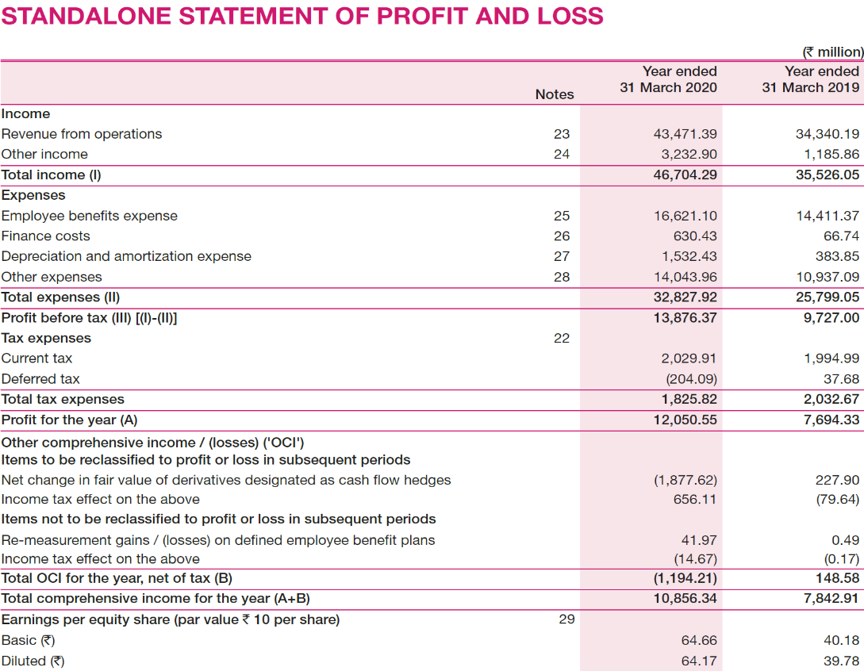

Supporting Document 5
ANALYSIS

Leverage and Solvency
The company maintains a broadly conservative leverage profile, which is supported by a debt-to-equity ratio of 0.2. While such a conservative ratio keeps the risk of insolvency low and allows a buffer against an economic downturn, it also shows that the company may not be utilizing leverage to the best possible level. By maintaining a low debt-to-equity ratio, the company could be giving up the scope for making the capital structure more efficient and shareholders' returns more robust. The company uses a diversified mix of debt instruments that includes bank loans, lease obligations, and short-term working capital loans. Not only does such diversification reduce dependence on a sole source of debt, but also it increases the flexibility of bearing financial burdens. The low overall leverage reflects cautious financial management that allows the company to meet long-term obligations even in the times of market fluctuations.
Liquidity and Coverage
The company's superior capacity to service its debt is amply evident in an interest coverage ratio (ICR) of 24.3726 times. This high ICR is a testament to the fact that the operating income of the entity is well more than enough to service interest payments, thereby giving investors and creditors substantial confidence in its short-term financial health. Such a high coverage ratio indicates superior operational efficiency and efficient cash flow management, thereby minimizing the risk of default even in the event of short-term earnings drops.
Capital Structure
The company's capital structure is marked by a conservative approach towards debt utilization. With a debt-to-equity ratio of 0.2, the company shows a very strong preference for equity over debt. The cost implications of its financing choices are evident when comparing the cost of pre-tax debt (7.29%) and post-tax debt (5.10%), showing how tax benefits reduce the effective cost of borrowing. Coupled with these figures of debt, the cost of equity is 5.25%, very close to the firm's overall weighted average cost of capital (WACC) of 5.22% (at book value) and 5.24% (at market value). This balanced mix evidences that management is keen on keeping finances disciplined, financing growth projects while keeping capital costs under control.
Cost of Capital
The effective cost of capital is an important benchmark for investment and overall health. In this case, the company's WACC is consistently around 5.2% on both book and market values, reflecting harmony in market opinion and internal valuation figures. The cost of debt, when tax-adjusted at 5.10% after tax, and cost of equity at 5.25%, demonstrates that the company can borrow relatively cheaply. This low total cost of capital underpins the company's capacity to invest in new opportunities, acquire strategically, or repatriate value to owners without compromising profitability. Sync among these financing figures reflects a well-established capital base and prudent financial management.
Market Performance and Risk
Market performance metrics depict a more unfavorable scenario while determining stock performance over recent times. The firm's market return, with reference to daily stock prices over the year, stands at -18.17%, and the compounded annual growth rate (CAGR) for the previous two years stands at -18.37%. These figures represent a massive drop in market valuation, where the stock price decreased from an opening price of Rs. 997.25 during the commencement of the year to a closing price of Rs. 664.45 by the end of the year. It is quite surprising to see that the beta for the company has been computed as -0.149378, which is a negative value signifying inverse proportion with the market as a whole. Such anomalous beta signifies that the firm's stock responds in a manner opposite to that of market directions; however, the negative overall market return and the dramatic plunge in price identify market sentiment issues and potential underlying operating issues. Investors may perceive the negative market performance to represent a call for strategic turnaround strategies even when the balance sheet and the finance structure remain quite healthy.
Conclusion
With these key metrics combined, a comprehensive view of the company's financial positioning is achieved. The firm has extremely conservative leverage with a debt-to-equity ratio of 0.2 and boasts a diversified approach to its debt instruments. Its high interest coverage ratio also bears witness to the ability to meet financial obligations easily. The capital structure is suitably balanced with a low and competitive cost of debt and equity financing, as evidenced by an even WACC of 5.2%. On the flip side, market performance metrics depict key challenges with precipitous stock price declines and negative returns across one-year and two-year intervals. The negative beta also reflects an aberrant market behaviour worthy of further analysis. Overall, while the cost efficiency and fundamentals are to be commended, the company's market valuation pressures reflect an urgent need for strategic intervention to recover investor confidence and drive renewed growth.

